Test Case 1
Test Case ID |  | TC_Notepad-001 | Test Case Desc | Test the functonality of Windows Notepad Application
Created By |  | Shravani Dakhane | Reviewed By | Sejal Gulhane |  | Version |  | 1.0
Tester's Name |  |  | Date Tested |  |  | Test Case Status (Passed/Failed/NE)

# | Prerequisites: |  |  | # | Test Data
1 | Windows OS |  |  | 1
2 | Notepad Application |  |  | 2
3 |  |  |  | 3
4 |  |  |  | 4

Test Scenario | Test entire functionality of windows application.

Step # | Step Details |  | Expected Results | Actual Results |  |  | Pass / Fail / Not executed / Suspended
1 | search for the notepad application |  | verify that you see this application
2 | click on the notepad application |  | 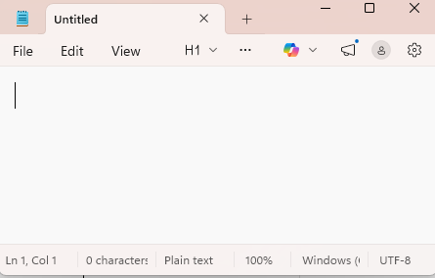 verify the window apllicationis open
3 | Type you content on the blank tab |  | 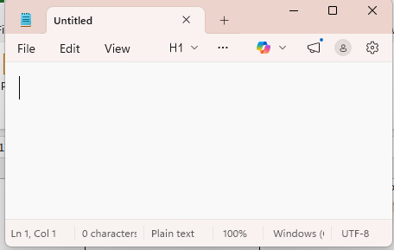 verify you are able to type on it
4 | click on the file manu |  | 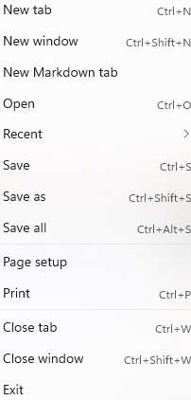 verify that multiple tab option you can see
5 | i. click on saves option ii. Give the name the file on dilog box. Iii.Then click on save. |  | 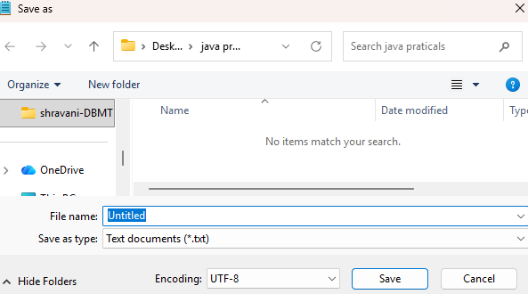 verify you are able to see the save as option and diloug box to give name of file and save.
6 | i. select the content. ii. Click on edit menu. Iii. Click on font option. |  | 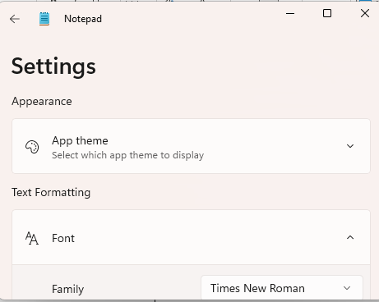 verify theat you see this tab
7 | click on the "formatting" and create a table. |  | verify that the Table is create.
8 | Type something and the click on the "fomatting" then make the text"bold" style. |  | verify that the text is bold.
9 | Type something and the click on the "formattting" then make the text"Italiic" style. |  | verify that the text is itaalic.
10 | click on the "setting" and then click on the "app theme", Then click on the "dark". |  | verify that the App's Theme is "dark".
11 | click on the text and then right on the mouse , then you see the " spelling" click on it to corect any error in the text. |  | verify that the spelling mistake is corrected.
12 | click on File-> close tab menu. |  | verify that the close tab menu.
13 | click on File-> close on recent. |  | verify that the recent file are displayed.
14 | click on File-> click on print. |  | verify that the file should be printed.
15 | click on the edit-> click on time/date. |  | verify that the time and date is displayed.
16 | click on the writting tools-> Then click on change tone-> click on the formal tone. |  | verify that the tone is changed into the formal tone.
17 | click on the writing tools-> Then click on change tone-> click on the Causual Tone. |  | verify that the tone is changed into the Causal tone.
18 | click on the writing tools-> Then click on change tone-> click on the Inspirational Tone. |  | verify that the tone is changed into the Inspirational tone.
19 | click on the writing tools -> Then click on change tone-> click on the Humor Tone. |  | verify that the tone is changed into the Humor Tone.
20 | close the Notepad Application. |  | verify that the Notepad Application should be succesfully closed.

